Plan ve Koordinantlar
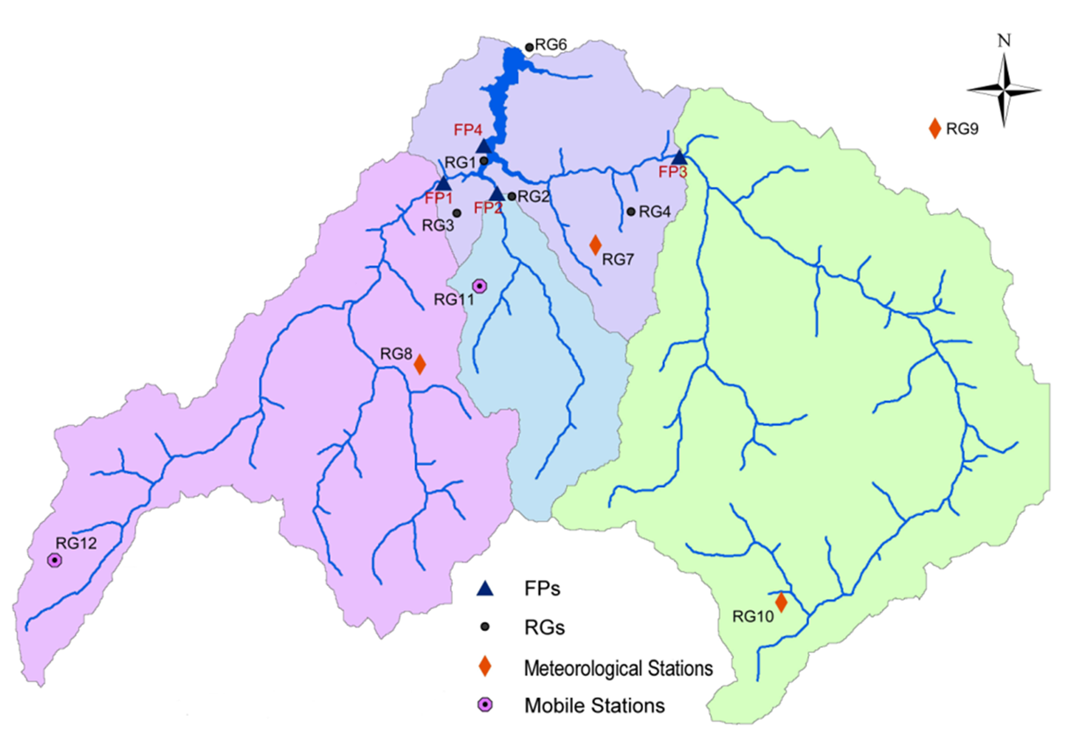
YUVACIK BARAJI
İstasyon No: | Yeri | Latitude (N) GEO WGS84 UTM WGS84 | Longitude (E) GEO WGS84 UTM WGS84 | KOT (m DSG )
RG6 | Dolusavak | 40° 40' 27.4" | 29° 58' 19.3" | 178
 |  | 34T - 751195 | 4506850
RG7 | Tepecik | 40° 37' 38.1" | 29° 59' 25.4" | 700
 |  | 34T - 752925 | 4501680
RG8 | Aytepe | 40° 36' 02.4" | 29° 56' 08.4" | 953
 |  | 34T - 748395 | 4498572
RG9 | Kartepe | 40° 39' 21.0" | 30° 05' 44.0" | 1340
 |  | 36T - 254875 | 4504777
RG10 | Çilekli | 40° 32' 30.1" | 30° 02' 38.7" | 805
 |  | 36T - 249704 | 4492269
RG11 | Kazandere | 40° 37' 12.2" | 29° 57' 08.4" | 732
 |  | 34T - 759897 | 4500603
RG12 | Hacı Osman | 40° 33' 01" | 29° 49' 08" | 865
 |  | 35T - 738095 | 4442718
FP1 | Kirazdere | 40° 38' 33.1" | 29° 56' 38.8" | 185
 |  | 34T - 748950 | 4503238
FP2 | Kazandere | 40° 38' 22.6" | 29° 57' 37.9" | 180
 |  | 34T - 750349 | 4502966
FP3 | Serindere | 40° 38' 48.5" | 30° 01' 01.1" | 284
 |  | 36T - 247808 | 4503980

